Sheet1
Scene No. | 1
Quest Title | 玩具森林
Quest Log | 回复莫古
Map No. | 21
 | 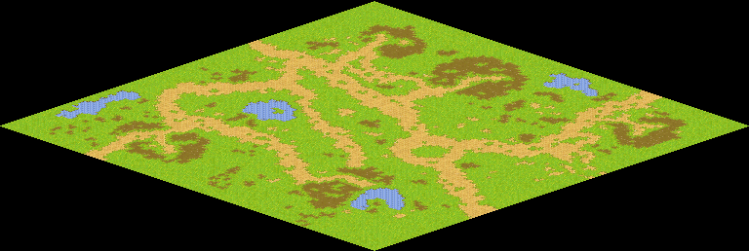
NPC No.
Condition
Dialog
Select
Result

NPC No.
Condition
Dialog
Select
Result

ScriptFile

